Bug report customer role
Flow 1 |  | Flow 2 |  | Flow 3

Bug Reporting |  | Bug Reporting |  | Bug Reporting

# SL 01 |  | # SL 01 |  | # SL 01

Issue: Verify that product images are displayed correctly in the search results after searching for a product using the search input field. |  | Issue: Verify that product images are displayed correctly in the search results after searching for a product using the search input field. |  | Issue: There should be a place an order option under add to cart button for purchase.

Reproducing Steps: |  | Reproducing Steps: |  | Reproducing Steps:
1.Go to url:https://bikalpo.com/ 2.go to login page 3.login with username and passowrd 3.go to search input 3. input keayword:A" |  | 1.Go to url:https://bikalpo.com/ 2.go to login page 3.login with username and passowrd 3.go to search input 3. input keayword:A" |  | 1.Go to url:https://bikalpo.com/ 2.go to login page 3.login with username and passowrd 3.click any product from electric or grocary section 4.observe and find place an order button
Env: Production. |  | Env: Production. | status: reopen | Env: Production. | status: open
Module: Search Module |  | Module: Search Module |  | Module: Search Module
Priority: High | Medium | Low |  | Priority: High | Medium | Low |  | Priority: High | Medium | Low | Medium
Severity: Blocker | Critical | Major | Minor |  | Severity: Blocker | Critical | Major | Minor |  | Severity: Blocker | Critical | Major | Minor
ScreenShot: | 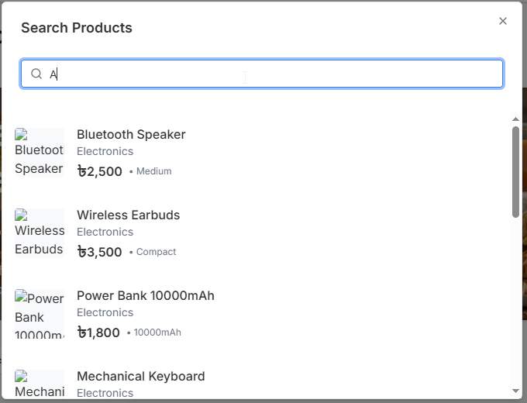 | ScreenShot: | 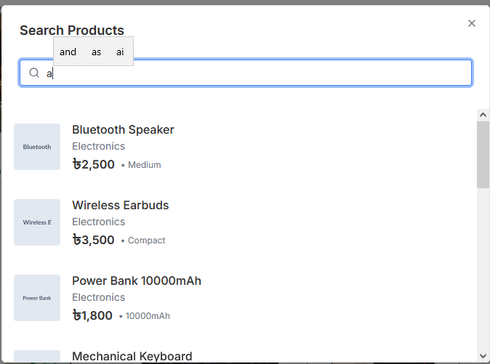 | ScreenShot: | 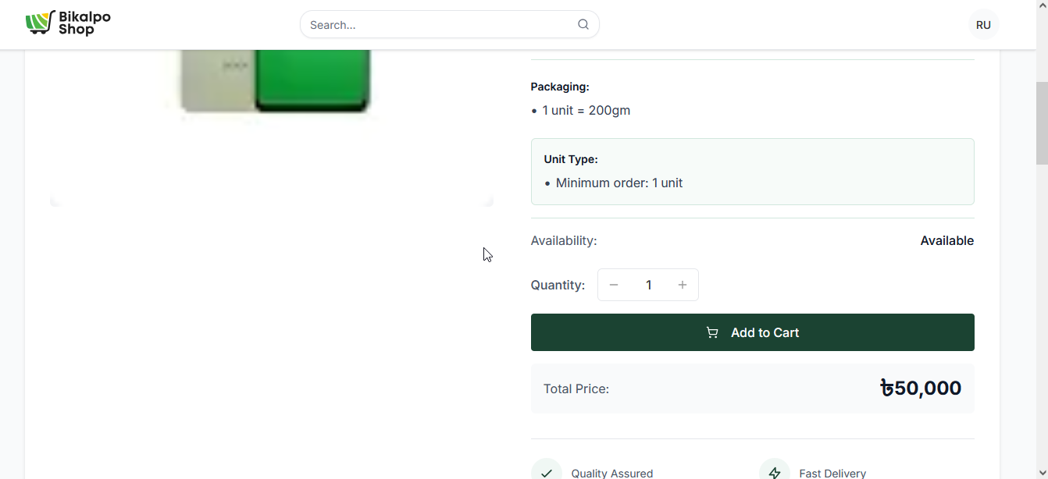
Expected: Search results should display relevant products Each product should show its corresponding image Images should load completely without broken icons or placeholders" |  | Expected: Search results should display relevant products Each product should show its corresponding image Images should load completely without broken icons or placeholders" |  | Expected: Search results should display relevant products Each product should show its corresponding image Images should load completely without broken icons or placeholders"
Responsible QA: Rafiqul Islam |  | Responsible QA: Rafiqul Islam |  | Responsible QA: Rafiqul Islam

Bug Reporting |  | Bug Reporting |  | Flow 3

 |  |  |  | Bug Reporting

# SL 02 |  | # SL 02

Issue: Verify that clicking the Login button redirects the user to the registration status page when registration is still pending. |  | Issue: Verify that clicking the Login button redirects the user to the registration status page when registration is still pending. |  | # SL 02

Reproducing Steps: |  | Reproducing Steps: |  | Issue: Verify that clicking on any product in the Order Summary section redirects the user to the corresponding Product Details Page to proceed with placing an order.
1.Go to url: https://bikalpo.com/ 2.go to registration page 2.click on register 3.signup with credentials 4.click on register |  | 1.Go to url: https://bikalpo.com/ 2.go to registration page 2.click on register 3.signup with credentials 4.click on register
Env: Production. |  | Env: Production. | status:pass | Reproducing Steps:
Module: Registration |  | Module: Registration |  | 1.Go to url:https://bikalpo.com/ 2.go to login page 3.login with username and passowrd 3.click on profile icon 4.click on my account 5.click on my cart 5.click on order summary 6.clcik on any item 7.observe product open for place order.
Priority: High | Medium | Low |  | Priority: High | Medium | Low |  | Env: Production. | status: open
Severity: Blocker | Critical | Major | Minor |  | Severity: Blocker | Critical | Major | Minor |  | Module: Search Module
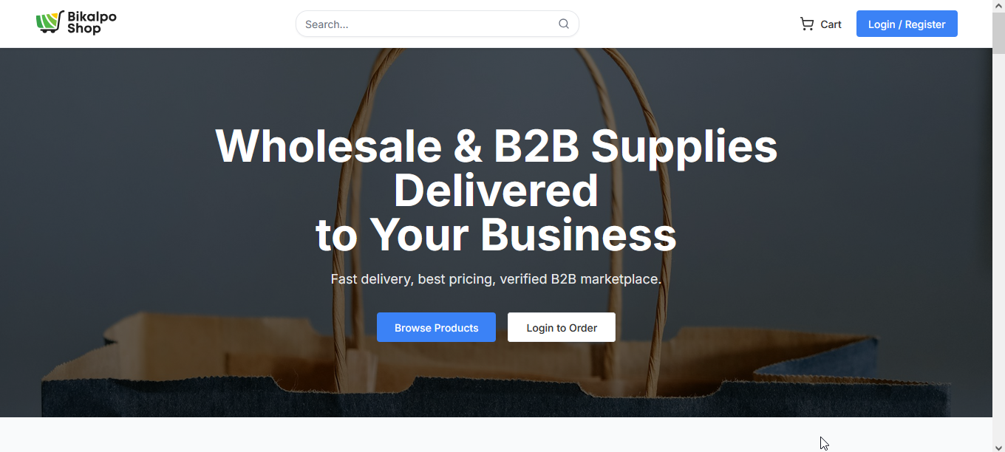 ScreenShot: |  | ScreenShot: |  | Priority: High | Medium | Low | Medium
Expected: "System redirects the user to the registration status page. Page displays message such as: ""Registration pending"" or similar status message. No freezing or blocking behavior." |  | Expected: "System redirects the user to the registration status page. Page displays message such as: ""Registration pending"" or similar status message. No freezing or blocking behavior." |  | Severity: Blocker | Critical | Major | Minor
Actual Result:"Login button is clickable but the system does not redirect. UI becomes stuck/frozen. No status message shown. User cannot proceed further." |  | Actual Result:"Login button is clickable but the system does not redirect. UI becomes stuck/frozen. No status message shown. User cannot proceed further." |  | ScreenShot:
Responsible QA: Rafiqul Islam |  | Responsible QA: Rafiqul Islam |  | Expected: When the user clicks on any product listed in the Order Summary section, the system should redirect the user to the respective Product Details Page, where the user can view product details and proceed with placing the order.
 |  |  |  | Responsible QA: Rafiqul Islam

Bug Reporting |  | Bug Reporting |  | Bug Reporting

# SL 03 |  | # SL 03 |  | # SL 03

Issue: "Verify that product images under the Grocery section are displayed correctly on the homepage." |  | Issue: "Verify that product images under the Grocery section are displayed correctly on the homepage." |  | Issue: Verify that the order is successfully placed when the user fills in a valid delivery address and clicks on the Place Order button.

Reproducing Steps: |  | Reproducing Steps: |  | Reproducing Steps:
1.Go to url:https://bikalpo.com/ 2.go to login page 3.login with username and passowrd 3.observe grocery section |  | 1.Go to url:https://bikalpo.com/ 2.go to login page 3.login with username and passowrd 3.observe grocery section |  | 1.Go to url:https://bikalpo.com/ 2.go to login page 3.login with username and passowrd 3.click on my account 4.click on my cart 5.fillup the address form 6.click on place order
Env: Production. |  | Env: Production. | status: reopen | Env: Production. | status: open
Module: Search Module |  | Module: Search Module |  | Module: Search Module
Priority: High | Medium | Low |  | Priority: High | Medium | Low |  | Priority: High | Medium | Low
Severity: Blocker | Critical | Major | Minor |  | Severity: Blocker | Critical | Major | Minor |  | Severity: Blocker | Critical | Major | Minor
ScreenShot: |  | ScreenShot: |  | ScreenShot:
Expected: "All product cards under the Grocery section should display their corresponding product images. If the image fails to load, a fallback placeholder should be shown. No visual break in layout; user should be able to identify the products easily." |  | Expected: "All product cards under the Grocery section should display their corresponding product images. If the image fails to load, a fallback placeholder should be shown. No visual break in layout; user should be able to identify the products easily." |  | Expected: After the user enters a valid delivery address and clicks on the Place Order button, the system should successfully place the order and display an order confirmation message or redirect the user to the order confirmation page.
Responsible QA: Rafiqul Islam |  | Responsible QA: Rafiqul Islam |  | Responsible QA: Rafiqul Islam

Bug Reporting |  | Bug Reporting |  | Bug Reporting

# SL 04 |  | # SL 04 |  | # SL 04

Issue: "Verify that category buttons (Electronics, Grocery, Fashion, etc.) are clickable," and redirect that page. |  | Issue: "Verify that category buttons (Electronics, Grocery, Fashion, etc.) are clickable," and redirect that page. |  | Issue: Verify that the City field provides dropdown suggestions when the user starts typing in the city input field.

Reproducing Steps: |  | Reproducing Steps: |  | Reproducing Steps:
1.Go to url:https://bikalpo.com/ 2.Go to login page 3.login with credentials 4.go to dashboard 5.click all category buttons" |  | 1.Go to url:https://bikalpo.com/ 2.Go to login page 3.login with credentials 4.go to dashboard 5.click all category buttons" |  | "1.login with username and password 2.click on profile icon 3.click on my account 4.click on address 5.clcik on add address
Env: Production. | status: fail | Env: Production. | status: pass | Env: Production. | status: open
Module: Search Module |  | Module: Search Module |  | Module: Search Module
Priority: High | Medium | Low |  | Priority: High | Medium | Low |  | Priority: High | Medium | Low
Severity: Blocker | Critical | Major | Minor |  | Severity: Blocker | Critical | Major | Minor |  | Severity: Blocker | Critical | Major | Minor
ScreenShot: |  | ScreenShot: |  | ScreenShot:
Expected: "Clicking on a category should navigate to the respective product listing page." |  | Expected: "Clicking on a category should navigate to the respective product listing page." |  | Expected: When the user starts typing in the City field, the system should display a dropdown list of suggested cities. The user should be able to select a city from the dropdown, and the selected city should be populated correctly in the City field..
Responsible QA: Rafiqul Islam |  | Responsible QA: Rafiqul Islam |  | Responsible QA: Rafiqul Islam

Bug Reporting |  | Bug Reporting |  | Bug Reporting

# SL 05 |  | # SL 05 |  | # SL 05

Issue:"Verify that all available products are displayed with image when the user clicks on the “All Products” button." |  | Issue:"Verify that all available products are displayed with image when the user clicks on the “All Products” button." |  | Issue: Verify that all links under Quick Links, Customer Service, and My Account sections redirect users to their respective pages without any error.

Reproducing Steps: |  | Reproducing Steps: |  | Reproducing Steps:
"1.Go to login page 2.login with credentials 3.go to dashboard 4.click all product buttons 5.Wait for the All Products page to load 6.Observe the product list" |  | "1.Go to login page 2.login with credentials 3.go to dashboard 4.click all product buttons 5.Wait for the All Products page to load 6.Observe the product list" |  | "1.login with username and password 2.scroll down buttom 3.clcik on the links in Quick Links, Customer Service, and My Account
Env: Production. |  | Env: Production. | status: reopen | Env: Production. | status: open
Module: Product Catalog |  | Module: Product Catalog |  | Module: Search Module
Priority: High | Medium | Low |  | Priority: High | Medium | Low |  | Priority: High | Medium | Low
Severity: Blocker | Critical | Major | Minor |  | Severity: Blocker | Critical | Major | Minor |  | Severity: Blocker | Critical | Major | Minor
ScreenShot: |  | ScreenShot: |  | ScreenShot:
Expected: "The All Products page should display all available products with their image in the system No products should be missing Product count should match backend or category-wise total" |  | Expected: Since “All Products” option has been removed, the previous image loading issue should no longer be reproducible. No broken UI behavior or missing product images should appear in the new product listing flow (if available). |  | Expected: When the user clicks on any link under Quick Links, Customer Service, or My Account sections, the system should redirect the user to the corresponding valid page and should not display a 404 error or any broken page.
Responsible QA: Rafiqul Islam |  | Responsible QA: Rafiqul Islam |  | Responsible QA: Rafiqul Islam

Bug Reporting |  | Bug Reporting |  | Bug Reporting

# SL 06 |  | # SL 06 |  | # SL 06

Issue: "Verify that product images under the beauty section are displayed correctly on the homepage." |  | Issue: "Verify that product images under the beauty section are displayed correctly on the homepage." |  | Issue: Verify that products are filtered correctly when the user enters a valid Price Range starting from 10 to a higher amount and clicks on the Apply button.

Reproducing Steps: |  | Reproducing Steps: |  | Reproducing Steps:
1.Go to url:https://bikalpo.com/ 2.go to login page 3.login with username and passowrd 3.observe beauty section |  | 1.Go to url:https://bikalpo.com/ 2.go to login page 3.login with username and passowrd 3.observe beauty section |  | "1.login with username and password 2.scroll down buttom 3.clcik on more product on any catagories 4.scroll down 5.observe price range
Env: Production. |  | Env: Production. | status: Reopen | Env: Production. | status: open
Module: Dashboard |  | Module: Dashboard |  | Module: Search Module
Priority: High | Medium | Low |  | Priority: High | Medium | Low |  | Priority: High | Medium | Low
Severity: Blocker | Critical | Major | Minor |  | Severity: Blocker | Critical | Major | Minor |  | Severity: Blocker | Critical | Major | Minor
ScreenShot: |  | ScreenShot: |  | ScreenShot:
Expected: "All product cards under the Beauty section should display their corresponding product images. If the image fails to load, a fallback placeholder should be shown. No visual break in layout; user should be able to identify the products easily." |  | Expected: "All product cards under the Beauty section should display their corresponding product images. If the image fails to load, a fallback placeholder should be shown. No visual break in layout; user should be able to identify the products easily." |  | Expected: When the user enters a valid price range where the minimum price is 10 and the maximum price is greater than 10 (e.g., Min: 10, Max: 500) and clicks on the Apply button, the system should display only the products whose prices fall within the specified range.
Responsible QA: Rafiqul Islam |  | Responsible QA: Rafiqul Islam |  | Responsible QA: Rafiqul Islam

Bug Reporting |  | Bug Reporting

# SL 07 |  | # SL 07

Issue: Verify that the Submit button becomes enabled and clickable after entering valid input in the review section. |  | Issue: Verify that the Submit button becomes enabled and clickable after entering valid input in the review section.

Reproducing Steps: |  | Reproducing Steps:
1.Go to url:https://bikalpo.com/ 2.go to login page 3.login with username and passowrd 3.fasion section 4.click on denim jeans product's detail button 5.go to product review section. 6.make a review 7.observe submit button. |  | 1.Go to url:https://bikalpo.com/ 2.go to login page 3.login with username and passowrd 3.fasion section 4.click on denim jeans product's detail button 5.go to product review section. 6.make a review 7.observe submit button.
Env: Production. |  | Env: Production. | status:reopen
Module: Dashboard |  | Module: Dashboard
Priority: High | Medium | Low |  | Priority: High | Medium | Low
Severity: Blocker | Critical | Major | Minor |  | Severity: Blocker | Critical | Major | Minor
ScreenShot: |  | ScreenShot:
Expected: Submit button should become enabled and highlighted Submit button should be clickable Review should be submitted successfully |  | Expected: Submit button should become enabled and highlighted Submit button should be clickable Review should be submitted successfully
Responsible QA: Rafiqul Islam |  | Responsible QA: Rafiqul Islam

Bug Reporting |  | Bug Reporting

# SL 08 |  | # SL 08

Issue: Verify that side menu is still visible after clicking "my cart"button. |  | Issue: Verify that side menu is still visible after clicking "my cart"button.

Reproducing Steps: |  | Reproducing Steps:
1.Go to url:https://bikalpo.com/ 2.go to login page 3.login with username and passowrd 3.clcik on account icon 4.click on my cart menu 5.try to observe side menu |  | 1.Go to url:https://bikalpo.com/ 2.go to login page 3.login with username and passowrd 3.clcik on account icon 4.click on my cart menu 5.try to observe side menu
Env: Production. |  | Env: Production. | status: reopen
Module: account |  | Module: account
Priority: High | Medium | Low |  | Priority: High | Medium | Low
Severity: Blocker | Critical | Major | Minor |  | Severity: Blocker | Critical | Major | Minor
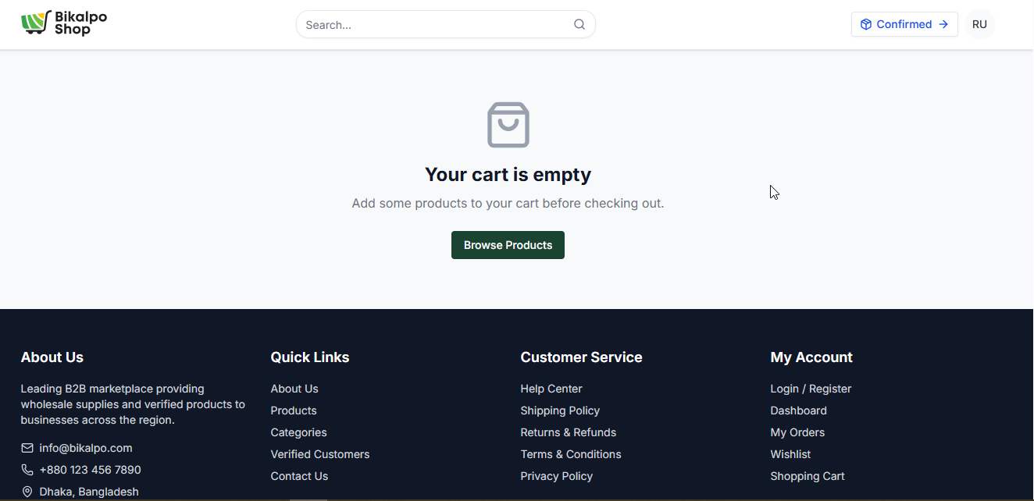 ScreenShot: |  | ScreenShot: | 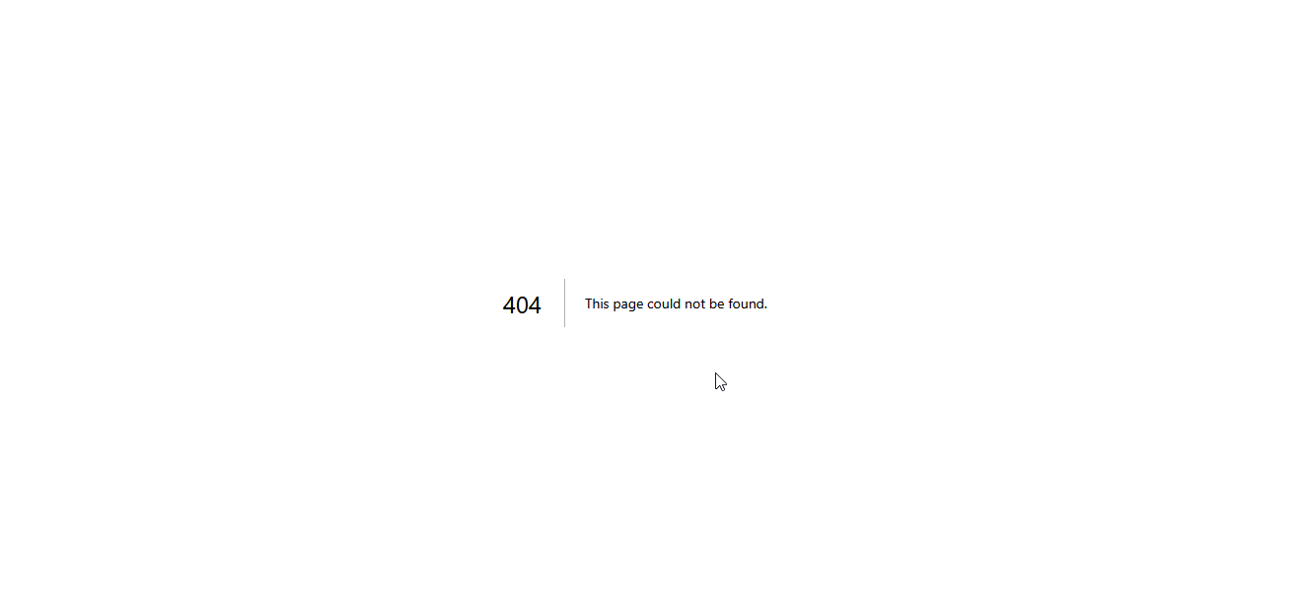
Expected: side menu will be still visible after clicking my cart button |  | Expected: side menu will be still visible after clicking my cart button
Responsible QA: Rafiqul Islam |  | Responsible QA: Rafiqul Islam

Bug Reporting |  | Bug Reporting

# SL 08 |  | # SL 08

Issue: Verify that when password need to change if current password is not matching show message that "current password is invalid" |  | Issue: Verify that when password need to change if current password is not matching show message that "current password is invalid"

Reproducing Steps: |  | Reproducing Steps:
1.Go to url:https://bikalpo.com/ 2.go to login page 3.login with username and passowrd 3.clcik on account icon 4.click on security 5.input invalid password in current passowrd section 6.fill up new password section |  | 1.Go to url:https://bikalpo.com/ 2.go to login page 3.login with username and passowrd 3.clcik on account icon 4.click on security 5.input invalid password in current passowrd section 6.fill up new password section
Env: Production. |  | Env: Production. | status:reopen
Module: account |  | Module: account
Priority: High | Medium | Low |  | Priority: High | Medium | Low
Severity: Blocker | Critical | Major | Minor |  | Severity: Blocker | Critical | Major | Minor
ScreenShot: |  | ScreenShot:
Expected: If currnet passowrd is invalid it will show "current password is invalid" |  | Expected: If currnet passowrd is invalid it will show "current password is invalid"
Responsible QA: Rafiqul Islam |  | Responsible QA: Rafiqul Islam

 |  | Bug Reporting

 |  | # SL 09

 |  | Issue:Profile button click leads to 404 Not Found page

 |  | Reproducing Steps:
 |  | 1.Go to url:https://bikalpo.com/ 2.go to login page 3.login with username and passowrd 3.clcik on profile icon 4.click on my account
 |  | Env: Production. | status: pass
 |  | Module: account
 |  | Priority: High | Medium | Low
 |  | Severity: Blocker | Critical | Major | Minor
 |  | ScreenShot:
 |  | Expected: User should be redirected to the Profile page successfully and profile information should be displayed.
 |  | Responsible QA: Rafiqul Islam

 |  | Bug Reporting

 |  | # SL 10

 |  | Issue:Image load problem

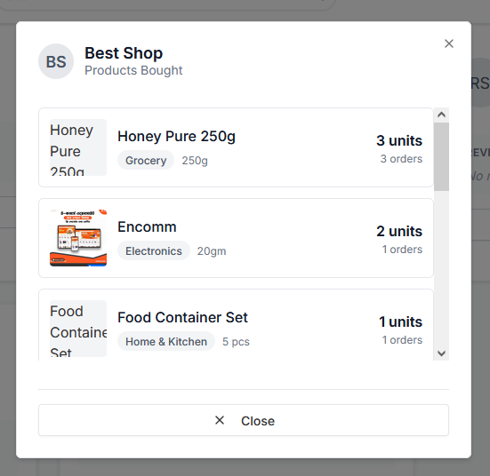
 |  | Reproducing Steps:
 |  | 1.Go to url:https://bikalpo.com/ 2.go to login page 3.login with username and passowrd 3.scroll down 4.click on view all verified B2B customer 5.scroll down and click on view bought product button on best shop.
 |  | Env: Production. | status: open
 |  | Module: account
 |  | Priority: High | Medium | Low
 |  | Severity: Blocker | Critical | Major | Minor
 |  | ScreenShot:
 |  | Expected: Product list should load with corresponding product images properly..
 |  | Responsible QA: Rafiqul Islam

 |  | Bug Reporting

 |  | # SL 10

 |  | Issue:Logout should redirect to Login page

 |  | Reproducing Steps:
 |  | 1.Go to url:https://bikalpo.com/ 2.go to login page 3.login with username and passowrd(admin role) 3.scroll down 4.logout from admin page 5.scroll down and click on view bought 6.observe login page
 |  | Env: Production. | status: open
 |  | Module: account
 |  | Priority: High | Medium | Low
 |  | Severity: Blocker | Critical | Major | Minor
 |  | ScreenShot:
 |  | Expected: 1.User should be redirected to the Login page after logout 2.No error page should be displayed 3.Page should load normally
 |  | Responsible QA: Rafiqul Islam

Bug report admin role
flow 1 | flow 2 |  | flow 3

Bug Reporting | Bug Reporting |  | Bug Reporting

# SL 01 | # SL 01 |  | # SL 01

Issue: Verify that when open dashboard all the element of dashboard is showing | Issue: Verify that when open dashboard all the element of dashboard is showing |  | Issue: Verify that price change order load succesfully

Reproducing Steps: | Reproducing Steps: |  | Reproducing Steps:
1.Go to url:https://bikalpo.com/ 2.go to login page 3.login with username and passowrd of admin role 3.observe admin dashboard | 1.Go to url:https://bikalpo.com/ 2.go to login page 3.login with username and passowrd of admin role 3.observe admin dashboard |  | 1.Go to url:https://bikalpo.com/ 2.go to login page 3.login with username and passowrd of admin role 3.on dashboard click on order 4.click on price chnage order 5.observe load successfully
Env: Production. | Env: Production. | status: reopen | Env: Production. | status: open
Module: dashboard | Module: dashboard |  | Module: dashboard
Priority: High | Medium | Low | Priority: High | Medium | Low |  | Priority: High | Medium | Low
Severity: Blocker | Critical | Major | Minor | Severity: Blocker | Critical | Major | Minor |  | Severity: Blocker | Critical | Major | Minor
 ScreenShot: | ScreenShot: |  |  ScreenShot:
Expected: all the value of dashboard is showing | Expected: all the value of dashboard is showing |  | Expected: price change order load successfully
Responsible QA: Rafiqul Islam | Responsible QA: Rafiqul Islam |  | Responsible QA: Rafiqul Islam

